Cover Sheet
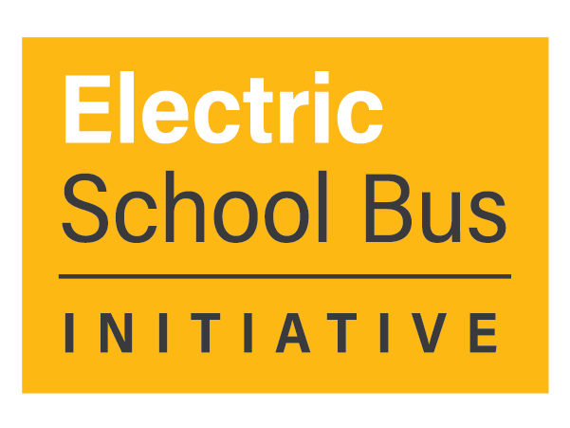

Clearinghouse: ESB Funding and Financing Opportunities

Author: World Resources Institute
Date of Data Extract: 01/11/2024

Purpose: Support school districts in their search for ESB funding and financing
Navigation: The public version of the Clearinghouse Excel Workbook contains the following spreadsheet tabs
Cover Sheet provides introduction and context for the work (this tab)
Clearinghouse contains the program information that has been collected as of the date specified on the Cover Sheet
Definitions & Lists defines each variable collected and details data type (either a list of options or open-ended)
Data Sources: Several resources were referenced to identify funding opportunities, but all information included here was drawn directly from publicly-available sources. Reference files included:
Alternative Fuels Data Center (AFDC)
Atlas EV Hub
U.S. Department of Transportation EV Federal Funding and Financing Programs
Electrification Coalition
American Cities Climate Challenge Federal Funding Opportunities for Local Decarbonization
Building a Better America
Limitations: This document is not intended to be comprehensive, but rather to highlight some of the opportunities available to school districts. There may be additional programs not listed here, some of these programs may no longer be available, some programs may have already dispersed all their funds, etc...

This is a dynamic document and WRI welcomes any feedback or updates from users. Please send any notes to Michelle Levinson (michelle.levinson@wri.org).

